Sheet1

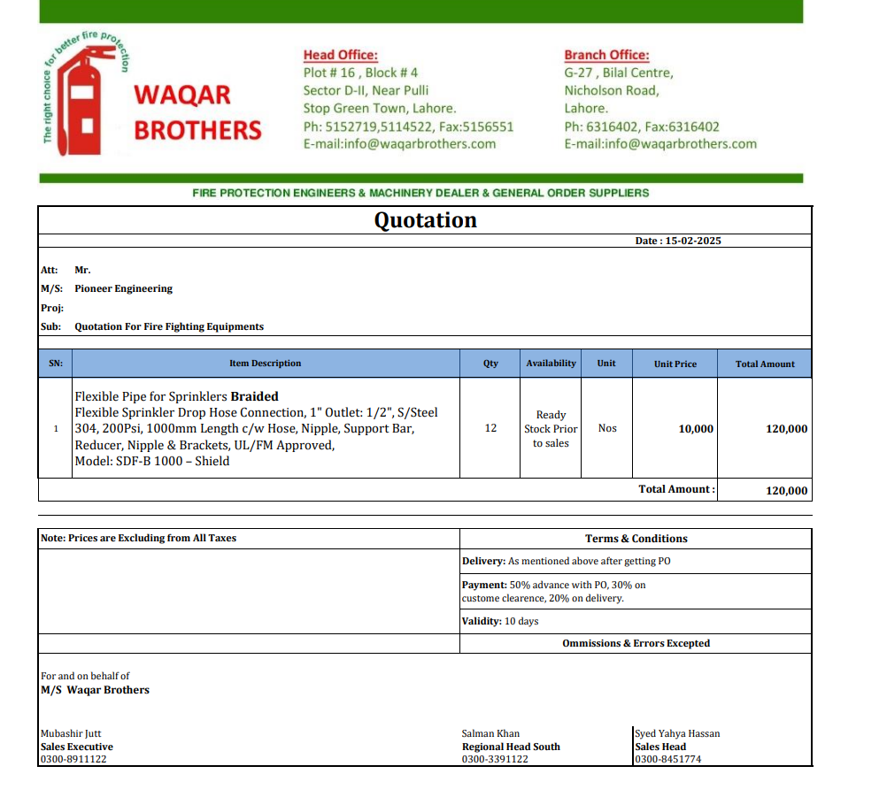

M/S IK Associates |  |  |  |  |  |  |  | 2025-02-15

Project: J Outlet Zeta Mall Islamabad

Attn: Syed Talal Tariq

Variation # 6
Supply & installation of Fire Flexible Connector - J Outlet Zeta Mall Islamabad.

S. # | Description | Material Rate | Labour Rate | Over Head profit 28% | Total Rate | Unit | Qty | Amount
1 | Supply and installation of Corrugated Stainless Steel Fire Flexible Connector. | 11,800 | 2,500 | 4,004 | 18,304 | Nos | 12 | 219,648
2 | Transportation charges |  | 5,000 | 1,400 | 6,400 | Job | 1 | 6,400
Total Amount Rs. |  |  |  |  |  |  |  | 226,048

Note: Supplier's quotation attached

Thanking you,

For PIONEER ENGINEERING SERVICES.

Bilal Habib

